Product Roadmap
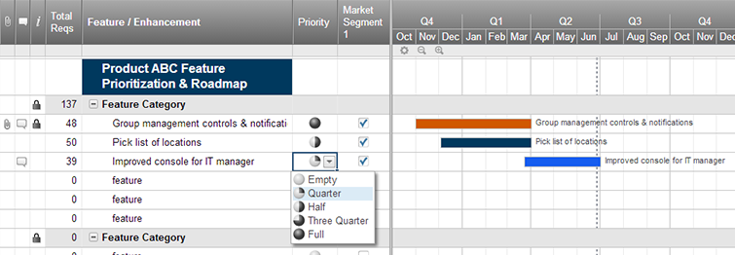
Agile Product Roadmap

<Agile Development Project> | Week 1 | Week 2 | Week 3 | Week 4 | Week 5 | Week 6
 | 2019-03-01 | 2019-03-08 | 2019-03-15 | 2019-03-22 | 2019-03-29 | 2019-04-05
Online Retailer

Product 1

Create an Agile Product Roadmap in Smartsheet

Agile Sprint Backlog
SPRINT BURNDOWN
BACKLOG TASK & ID | STORY POINTS | ASSIGNED TO | STATUS | ORIGINAL ESTIMATE | Day 1 | DAY 2 | DAY 3 | DAY 4 | DAY 5 | SPRINT REVIEW
Sprint 1
Export CSV file for logistic team | 1 | Winko Lui | Released | 8 | 3 | 2.5 | 1 | 0 | 0 | 0.5
Export JSON file for manufacturer team | 2 | Winko Lui | Released | 8 | 5 | 4 | 2 | 0 | 0 | 1
User login function | 1 | Kevin Lau | Released | 4 | 4 | 3 | 1 | 0 | 0 | 0.5
Product categories | 1 | Kevin Lau | Released | 4 | 5 | 4 | 2 | 1 | 0 | 0.5
Sprint 2
Cart function | 1 | Kevin Lau | Released | 8 | 6 | 5 | 4 | 3 | 2 | 0.5
Payment function | 3 | Winko Lui | Released | 4 | 4 | 3 | 2 | 1 | 0 | 1
Order confirm function (For commerce team) | 1 | Winko Lui | Released | 4 | 3 | 1.5 | 1 | 0 | 0 | 0.5
Inventory management function | 2 | Winko Lui | Released | 8 | 4 | 3 | 2 | 1 | 0 | 0.5
TOTAL |  |  |  | 48 | 34 | 26 | 15 | 6 | 2 | 5

